Hiearchy View
CLASS: RAMP METERING FOUNDATION
a traffic management strategy used to regulate the flow of traffic entering the freeway during peak traffic periods. |  | 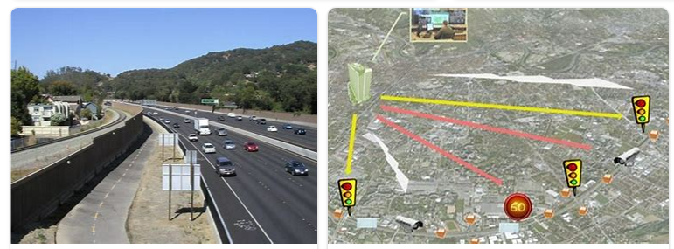
REMOVE | N

PROBLEM_DESC | CAUSE_DESC | REMEDY_DESC
BROKEN/DAMAGED
OTHER PROBLEM
OVERHEATING
STOPPED/SLOWED/POOR OPS
TEMP-CTRL
VIBRATION
Grand Total

